Index
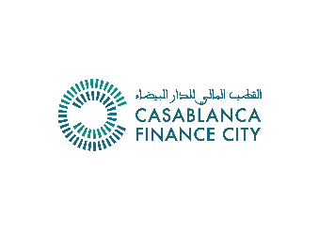
CFC Business Plan Template

 |  | Please fill only this box on this page
 |  | Start year |  | 2021
 |  | Currency |  |  |  | (Drop-down menu)
 |  | Company name
 |  | Legal form
 |  | Type |  |  |  | (Drop-down menu)

 | 1. Balance sheet highlights

 |  |  |  | Projected

 | (millions) |  |  | 2021e | 2022e | 2023e | 2024e | 2025e

 | Current Assets |  |  | 0.0 | 0.0 | 0.0 | 0.0 | 0.0

 | Non Current Assets |  |  | 0.0 | 0.0 | 0.0 | 0.0 | 0.0

 | Liabilities |  |  | 0.0 | 0.0 | 0.0 | 0.0 | 0.0

 | Equity |  |  | 0.0 | 0.0 | 0.0 | 0.0 | 0.0

 |  | check
 |  | check |  | OK | OK | OK | OK | OK
 | 2. P&L highlights

 |  |  |  | Projected
 | (millions) |  |  | 2021e | 2022e | 2023e | 2024e | 2025e

 | Revenues |  |  | 0.0 | 0.0 | 0.0 | 0.0 | 0.0
Revenue from Morocco |  |  |  | 0.0 | 0.0 | 0.0 | 0.0 | 0.0
Revenue from the rest of Africa |  |  |  | 0.0 | 0.0 | 0.0 | 0.0 | 0.0
Revenue from outside Africa |  |  |  | 0.0 | 0.0 | 0.0 | 0.0 | 0.0

Revenues from activity 1 |  |  | 0 | 0.0 | 0.0 | 0.0 | 0.0 | 0.0
Revenues from activity 2 |  |  | 0 | 0.0 | 0.0 | 0.0 | 0.0 | 0.0
Revenues from activity 3 |  |  | 0 | 0.0 | 0.0 | 0.0 | 0.0 | 0.0
Revenues from activity 4 |  |  | 0 | 0.0 | 0.0 | 0.0 | 0.0 | 0.0
Revenues from activity 5 |  |  | 0 | 0.0 | 0.0 | 0.0 | 0.0 | 0.0
Revenues from activity 6 |  |  | 0 | 0.0 | 0.0 | 0.0 | 0.0 | 0.0
Revenues from other activities |  |  | 0 | 0.0 | 0.0 | 0.0 | 0.0 | 0.0

 | EBITDA |  |  | 0.0 | 0.0 | 0.0 | 0.0 | 0.0

 | Tax |  |  | 0.0 | 0.0 | 0.0 | 0.0 | 0.0

 | Net income |  |  | 0.0 | 0.0 | 0.0 | 0.0 | 0.0

 | 3. Other information highlights

 |  |  |  | Projected
 |  |  |  | 2021e | 2022e | 2023e | 2024e | 2025e

 | Employees |  |  | - | - | - | - | -
 | Growth |  |  |  | #VALUE! | #VALUE! | #VALUE! | #VALUE!

 | Change of legal structure ? |  |  | 0
 | Date

 | Geographical expansion |  |  | 0

 | Number of new territories

P&L
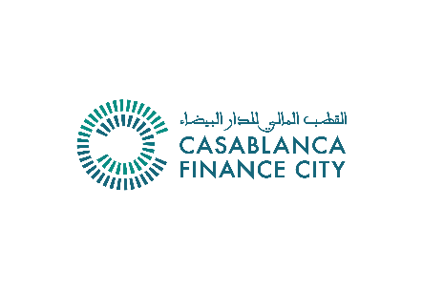

Income statement |  |  |  |  | 0
Please fill in the cells with blue numbers - do not change the calculated fields (grey numbers) |  |  |  |  | 0

 |  | Projected
 | 0 | 2021e | 2022e | 2023e | 2024e | 2025e

 | Total revenues | 0 | 0 | 0 | 0 | 0

 | Revenues from Morocco | 0 | 0 | 0 | 0 | 0
 | Revenues from activity 1 | 0 | 0 | 0 | 0 | 0
 | Revenues from activity 2 | 0 | 0 | 0 | 0 | 0
 | Revenues from activity 3 | 0 | 0 | 0 | 0 | 0
 | Revenues from activity 4 | 0 | 0 | 0 | 0 | 0
 | Revenues from activity 5 | 0 | 0 | 0 | 0 | 0
 | Revenues from activity 6 | 0 | 0 | 0 | 0 | 0
 | Revenues from other activities | 0 | 0 | 0 | 0 | 0

 | Revenues from the rest of Africa | 0 | 0 | 0 | 0 | 0
 | Revenues from activity 1 | 0 | 0 | 0 | 0 | 0
 | Revenues from activity 2 | 0 | 0 | 0 | 0 | 0
 | Revenues from activity 3 | 0 | 0 | 0 | 0 | 0
 | Revenues from activity 4 | 0 | 0 | 0 | 0 | 0
 | Revenues from activity 5 | 0 | 0 | 0 | 0 | 0
 | Revenues from activity 6 | 0 | 0 | 0 | 0 | 0
 | Revenues from other activities | 0 | 0 | 0 | 0 | 0

 | Revenues from outside Africa | 0 | 0 | 0 | 0 | 0
 | Revenues from activity 1 | 0 | 0 | 0 | 0 | 0
 | Revenues from activity 2 | 0 | 0 | 0 | 0 | 0
 | Revenues from activity 3 | 0 | 0 | 0 | 0 | 0
 | Revenues from activity 4 | 0 | 0 | 0 | 0 | 0
 | Revenues from activity 5 | 0 | 0 | 0 | 0 | 0
 | Revenues from activity 6 | 0 | 0 | 0 | 0 | 0
 | Revenues from other activities | 0 | 0 | 0 | 0 | 0

 | Operational and SG&A expenses | 0 | 0 | 0 | 0 | 0
 | Operational expenses | 0 | 0 | 0 | 0 | 0
 | Selling, General and Administrative expenses | 0 | 0 | 0 | 0 | 0
 | Other expenses | 0 | 0 | 0 | 0 | 0

 | EBITDA | 0 | 0 | 0 | 0 | 0

 | Depreciation | 0 | 0 | 0 | 0 | 0

 | Amortization | 0 | 0 | 0 | 0 | 0

 | EBIT | 0 | 0 | 0 | 0 | 0

 | Interest income | 0 | 0 | 0 | 0 | 0
 | Interest expense | 0 | 0 | 0 | 0 | 0
 | Gain (Loss) On Asset Sales | 0 | 0 | 0 | 0 | 0

 | EBT | 0 | 0 | 0 | 0 | 0
 | Tax | 0 | 0 | 0 | 0 | 0

 | Net income | 0 | 0 | 0 | 0 | 0

